Sheet1
Product Name: Platform Barcode Reader
Model: IBC-4600
Physical Characteristics
Dimensions： 151mm x 142mm x84mm
Weight： 437g
Voltage： 5V
Starting Current： 470mA
Work Current： 456mA
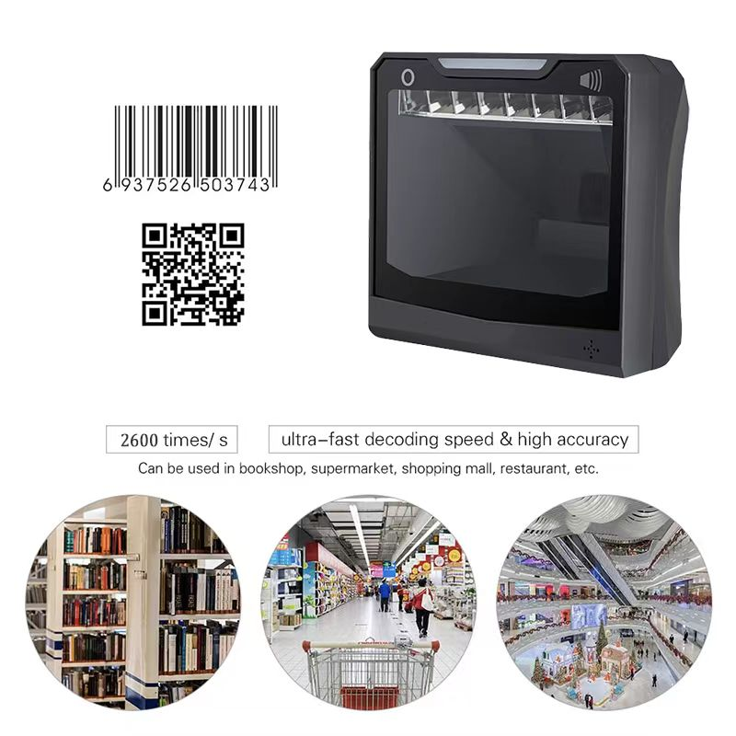
Stand-by Current： 220mA
Performance Characteristics
Image (Pixels)：1280 pixels (H)x 1024 pixels (V)
Light Source：Warm Yellow LED
Field of View： 44°(H) , 34°(V)
Roll / Pitch / Yaw：360°, ±65° , ±65°
Print Contrast：20% minimum reflective difference
Interfaces Supported：USB
Motion Tolerances：2.5m/s
Symbology Decode Capability
1D: Codabar、Code 39、Code 32 Pharmaceutical (PARAF)、Interleaved 2 of 5、NEC 2 of 5、Code 93、Straight 2 of 5 Industial、Straight 2 of 5 IATA，Matrix 2 of 5，Code 11、Code 128、GS1-128、UPC-A、UPC-E、EAN/JAN-8、EAN/JAN-13、MSI、GS1 DataBar Omnidirectional、GS1 DataBar Limited、GS1 DataBar Expanded、China Post(Hong Kong 2 of 5)、Korea Post. 2D: Codeblock A、Codeblock F、PDF417、Micro PDF417、GS1 Composite Codes、QR Code、Data Matrix、MaxiCode、Aztec、HANXIN.
User Environment
Operating Temperature： -20°C to 60°C
Storage Temperature： -30°C to 70°C
Humidity： 5% to 95% relative hum idity,non-condensing
Shock Specifications： 8 G r.m.s., from 10 to 500 Hz, 2 hours per axis, 3 axes (Can withstand 70cm tipover test)
Ambient Light Immunity： 0-100,000 Lux.
Decode Ranges
Code39(4mil)： 0mm-70mm
Code39(5mil)： 0mm-100mm
Code39(13mil)： 0mm-240mm
Performance may be impacted by bar code quality and environmental conditions

1.Features * No need to install any software or app,Plug and play. * Touch screen volume control button, easily deal with noisy environment. * Super decoding ability,easily capture all common 2D 1D codes. * Resolution up to CMOS 1280 pixels (H) x 1024 pixels (V) ,ultra-fast decoding speed. * Handsfree and auto-sense scan design, can directly place on the desk, no need to hold the scanner, release your hands. * Big scan window design,360 degree omnidirectional scanning regardless of the orientation of the barcode label, will quickly read the barcode. * Easily connected with your laptop, PC, POS. Work with Windows XP/7/8/10, Mac OS, Linux. * Application fields: retail shop, clothing store, supermarket, library, book store, pharmacy store, warehouse, parking system etc.

